Project 1
Junior Cycle Applied Technology: My Project Planner

Managing My Time
Prompts to help you manage your time effectively:
With my level of skill, have I the time to make my proposed solution?
How can I plan to use this time efficiently?
Track my progress and timing during the making stage.
To prevent unnecessary delays, ask for guidance and learn from others in my class.
Compare your planned Gantt chart with your revised Gantt chart to learn how you can improve your time management for your next task/project.

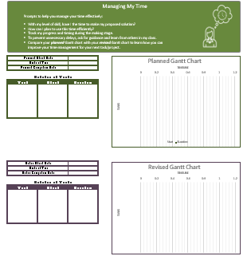
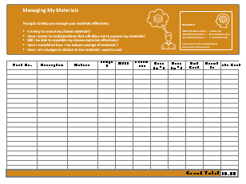
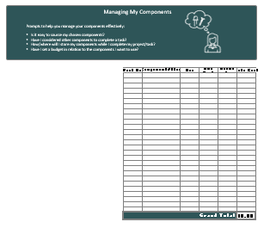
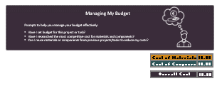
Scroll down to complete each section as required.

Planned Gantt Chart
 | Start | Duration
Planned Start Date
Units of Time
Planned Completion Date

Schedule of Tasks
Task | Start | Duration

Revised Gantt Chart
 | Start | Duration
Actual Start Date
Units of Time
Actual Completion Date

Schedule of Tasks
Task | Start | Duration

Managing My Materials
Prompts to help you manage your materials effectively:
Is it easy to source my chosen materials?
Have I access to tools/machines that will allow me to process my materials?
Will I be able to assemble my chosen materials effectively?
Have I considered how I can reduce wastage of materials ?
Have I set a budget in relation to the materials I want to use?

Remember!
1000 milimetres (mm) = 1 metre (m) 100 milimetres (mm) = 10 centimetres (cm) 10 millimetres (mm ) = 1 centimetre (cm)
Learn how to read measurements- click here to find out more

 | Part No. | Description | Material |  | Length (mm) | Width (mm) | Thickness (mm) | Unit Cost | Quantity | Total Cost

 | Grand Total |  |  |  |  |  |  |  |  | €0.00

Managing My Components
Prompts to help you manage your components effectively:
Is it easy to source my chosen components?
Have I considered other components to complete a task?
How/where will I store my components while I complete my project/task?
Have I set a budget in relation to the components I want to use?

 |  |  |  | Part No. | Component/Item |  | Size | Unit Cost | Quantity | Total Cost

 |  |  |  | Grand Total |  |  |  |  |  | €0.00

Managing My Budget
Prompts to help you manage your budget effectively:
Have I set budget for this project or task?
Have I researched the most competitive cost for materials and components?
Can I reuse materials or components from previous projects/tasks to reduce my costs?
 |  | Cost of Components = |  |  | €0

Section C- Other Items and Costings

 |  |  |  |  |  |  | Cost of Materials |  |  | €0.00
 |  |  |  |  |  |  | Cost of Components |  |  | €0.00

 |  |  |  |  |  |  | Overall Cost |  |  | €0.00

Project 2
Junior Cycle Applied Technology: My Project Planner

Managing My Time
Prompts to help you manage your time effectively:
With my level of skill, have I the time to make my proposed solution?
How can I plan to use this time efficiently?
Track my progress and timing during the making stage.
To prevent unnecessary delays, ask for guidance and learn from others in my class.
Compare your planned Gantt chart with your revised Gantt chart to learn how you can improve your time management for your next task/project.

Scroll down to complete each section as required.

Planned Gantt Chart
 | Start | Duration
Planned Start Date
Units of Time
Planned Completion Date

Schedule of Tasks
Task | Start | Duration

Revised Gantt Chart
 | Start | Duration
Actual Start Date
Units of Time
Actual Completion Date

Schedule of Tasks
Task | Start | Duration

Managing My Materials
Prompts to help you manage your materials effectively:
Is it easy to source my chosen materials?
Have I access to tools/machines that will allow me to process my materials?
Will I be able to assemble my chosen materials effectively?
Have I considered how I can reduce wastage of materials ?
Have I set a budget in relation to the materials I want to use?
Remember!
1000 milimetres (mm) = 1 metre (m) 100 milimetres (mm) = 10 centimetres (cm) 10 millimetres (mm ) = 1 centimetre (cm)
Learn how to read measurements- click here to find out more

 | Part No. | Description | Material |  | Length (mm) | Width (mm) | Thickness (mm) | Unit Cost | Quantity | Total Cost

 | Grand Total |  |  |  |  |  |  |  |  | €0.00

Managing My Components
Prompts to help you manage your components effectively:
Is it easy to source my chosen components?
Have I considered other components to complete a task?
How/where will I store my components while I complete my project/task?
Have I set a budget in relation to the components I want to use?

 |  |  |  | Part No. | Component/Item |  | Size | Unit Cost | Quantity | Total Cost

 |  |  |  | Grand Total |  |  |  |  |  | €0.00

Managing My Budget
Prompts to help you manage your budget effectively:
Have I set budget for this project or task?
Have I researched the most competitive cost for materials and components?
Can I reuse materials or components from previous projects/tasks to reduce my costs?
 |  | Cost of Components = |  |  | €0

Section C- Other Items and Costings

 |  |  |  |  |  |  | Cost of Materials |  |  | €0.00
 |  |  |  |  |  |  | Cost of Components |  |  | €0.00

 |  |  |  |  |  |  | Overall Cost |  |  | €0.00

Project 3
Junior Cycle Applied Technology: My Project Planner

Managing My Time
Prompts to help you manage your time effectively:
With my level of skill, have I the time to make my proposed solution?
How can I plan to use this time efficiently?
Track my progress and timing during the making stage.
To prevent unnecessary delays, ask for guidance and learn from others in my class.
Compare your planned Gantt chart with your revised Gantt chart to learn how you can improve your time management for your next task/project.

Scroll down to complete each section as required.

Planned Gantt Chart
 | Start | Duration
test | 0 | 2
Planned Start Date
Units of Time
Planned Completion Date

Schedule of Tasks
Task | Start | Duration
test | 0 | 2

Revised Gantt Chart
 | Start | Duration
Actual Start Date
Units of Time
Actual Completion Date

Schedule of Tasks
Task | Start | Duration

Managing My Materials
Prompts to help you manage your materials effectively:
Is it easy to source my chosen materials?
Have I access to tools/machines that will allow me to process my materials?
Will I be able to assemble my chosen materials effectively?
Have I considered how I can reduce wastage of materials ?
Have I set a budget in relation to the materials I want to use?
Remember!
1000 milimetres (mm) = 1 metre (m) 100 milimetres (mm) = 10 centimetres (cm) 10 millimetres (mm ) = 1 centimetre (cm)
Learn how to read measurements- click here to find out more

 | Part No. | Description | Material |  | Length (mm) | Width (mm) | Thickness (mm) | Unit Cost | Quantity | Total Cost

 | Grand Total |  |  |  |  |  |  |  |  | €0.00

Managing My Components
Prompts to help you manage your components effectively:
Is it easy to source my chosen components?
Have I considered other components to complete a task?
How/where will I store my components while I complete my project/task?
Have I set a budget in relation to the components I want to use?

 |  |  |  | Part No. | Component/Item |  | Size | Unit Cost | Quantity | Total Cost

 |  |  |  | Grand Total |  |  |  |  |  | €0.00

Managing My Budget
Prompts to help you manage your budget effectively:
Have I set budget for this project or task?
Have I researched the most competitive cost for materials and components?
Can I reuse materials or components from previous projects/tasks to reduce my costs?
 |  | Cost of Components = |  |  | €0

Section C- Other Items and Costings

 |  |  |  |  |  |  | Cost of Materials |  |  | €0.00
 |  |  |  |  |  |  | Cost of Components |  |  | €0.00

 |  |  |  |  |  |  | Overall Cost |  |  | €0.00

